Sheet1
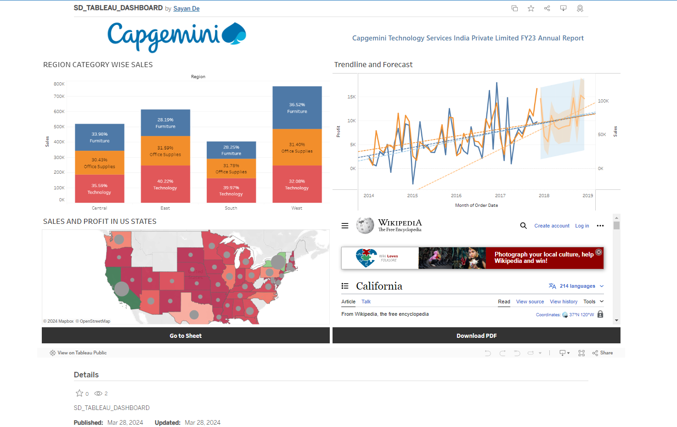
TABLEAU PUBLIC LINK | https://public.tableau.com/app/profile/sayan.de4649/viz/SD_TABLEAU_DASHBOARD/OrgDashboard

